ANALYSIS
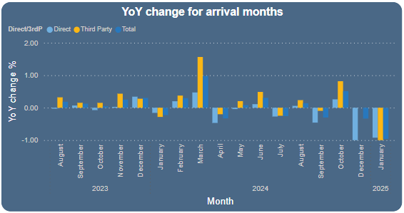
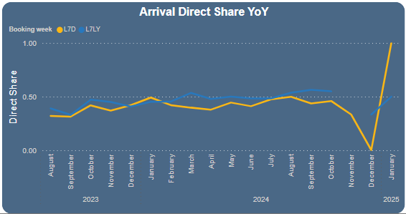
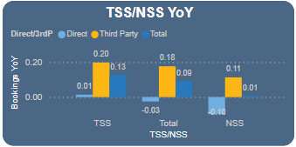
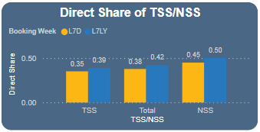
Direct Share

 | Bookings YoY
 | Direct Share data was already available in a sort of heatmap form, used that for the interpretation of the findings.

NOT DIRECT SHARE | YoY
 | Source |  | Destination
 |  |  |  | DK | DE | HR | Tier 2/3 | Total
 |  | Direct | DK | -42 | - | -8 | 17 | -33
 |  |  | DE | 13 | -37 | -48 | -112 | -184
 |  |  | Tier 2/3 | -4 | 12 | -8 | 110 | 110
 |  |  | Total | -33 | -25 | -64 | 15 | -107
 |  | 3rd Party | DK | 154 | 5 | -3 | 28 | 184
 |  |  | DE | 228 | 58 | -53 | 51 | 284
 |  |  | F | 136 | 15 | -30 | 415 | 536
 |  |  | Total | 518 | 78 | -86 | 494 | 1,004
 |  | Total | DK | 112 | 5 | -11 | 45 | 151
 |  |  | DE | 241 | 21 | -101 | -61 | 100
 |  |  | Tier 2/3 | 132 | 27 | -38 | 525 | 646
 |  |  | Total | 485 | 53 | -150 | 509 | 897

 | Bookings Direct Share YoY Variance Analysis
 | Direct Share |  | Destination
 |  | Source |  | DK | DE | HR | Tier 2/3 | Total
 |  |  | DK | -8.3% | -15% | -4% | -7% | -8.2%
 |  |  | DE | -5% | -3% | -3% | -8% | -4.0%
 |  |  | Tier 2/3 | -21% | 5% | 0% | 0% | -2%
 |  |  | Total | -8% | -2% | -2% | -4% | -4.5%

 | Bookings WoW

NOT DIRECT SHARE | WoW
 | Source |  | Destination
 |  |  |  | DK | DE | HR | Tier 2/3 | Total
 |  | Direct | DK | -1 | -2 | - | 17 | 14
 |  |  | DE | 65 | 44 | -8 | -32 | 69
 |  |  | Tier 2/3 | -25 | 7 | 6 | -53 | -65
 |  |  | Total | 39 | 49 | -2 | -68 | 18
 |  | 3rd Party | DK | 35 | 4 | -1 | 10 | 48
 |  |  | DE | 12 | -105 | -37 | -27 | -157
 |  |  | Tier 2/3 | -39 | -19 | -82 | -204 | -344
 |  |  | Total | 8 | -120 | -120 | -221 | -453
 |  | Total | DK | 34 | 2 | -1 | 27 | 62
 |  |  | DE | 77 | -61 | -45 | -59 | -88
 |  |  | Tier 2/3 | -64 | -12 | -76 | -257 | -409
 |  |  | Total | 47 | -71 | -122 | -289 | -435

 | Bookings Direct Share WoW Variance Analysis
 | Direct Share |  | Destination
 |  | Source |  | DK | DE | HR | Tier 2/3 | Total
 |  |  | DK | -1.4% | -15.0% | 9.5% | 0.5% | -1.2%
 |  |  | DE | 1.0% | 3.9% | 1.1% | -1.1% | 1.8%
 |  |  | Tier 2/3 | 1% | 5% | 4% | 0% | 1%
 |  |  | Total | 0% | 4% | 3% | 0% | 1.6%

 | Revenue YoY
NOT DIRECT SHARE | YoY |  |  |  |  |  |  |  |  | YoY
 | Source |  | Destination |  |  |  |  |  |  | Source |  | Destination
 |  |  |  | DK | DE | HR | Tier 2/3 | Total |  |  |  |  | DK | DE | HR | Tier 2/3 | Total
 |  | Direct | DK | -163 | 12 | -129 | -32 | -312 |  |  | Direct | DK | -42 | - | -8 | 17 | -33
 |  |  | DE | 171 | -349 | -341 | -715 | -1,233 |  |  |  | DE | 13 | -37 | -48 | -112 | -184
 |  |  | Tier 2/3 | -193 | 105 | 332 | 1,907 | 2,152 |  |  |  | Tier 2/3 | -4 | 12 | -8 | 110 | 110
 |  |  | Total | -185 | -231 | -138 | 1,161 | 607 |  |  |  | Total | -33 | -25 | -64 | 15 | -107
 |  | 3rd Party | DK | 902 | -13 | -66 | 81 | 904 |  |  | 3rd Party | DK | 154 | 5 | -3 | 28 | 184
 |  |  | DE | 1,232 | -166 | -904 | 983 | 1,145 |  |  |  | DE | 228 | 58 | -53 | 51 | 284
 |  |  | Tier 2/3 | 459 | 122 | 564 | 2,886 | 4,031 |  |  |  | Tier 2/3 | 136 | 15 | -30 | 415 | 536
 |  |  | Total | 2,594 | -57 | -406 | 3,950 | 6,080 |  |  |  | Total | 518 | 78 | -86 | 494 | 1,004
 |  | Total | DK | 739 | -1 | -195 | 49 | 592 |  |  | Total | DK | 112 | 5 | -11 | 45 | 151
 |  |  | DE | 1,404 | -515 | -1,245 | 268 | -89 |  |  |  | DE | 241 | 21 | -101 | -61 | 100
 |  |  | Tier 2/3 | 266 | 227 | 896 | 4,793 | 6,183 |  |  |  | Tier 2/3 | 132 | 27 | -38 | 525 | 646
 |  |  | Total | 2,409 | -289 | -544 | 5,110 | 6,687 |  |  |  | Total | 485 | 53 | -150 | 509 | 897

 | Revenue Direct Share YoYAnalysis |  |  |  |  |  |  |  |  | Direct Share YoY Variance Analysis
 | Direct Share |  | Destination |  |  |  |  |  |  | Direct Share |  | Destination
 |  | Source |  | DK | DE | HR | Tier 2/3 | Total |  |  | Source |  | DK | DE | HR | Tier 2/3 | Total
 |  |  | DK | -8% | 16% | 4% | -5% | -8% |  |  |  | DK | -8.3% | -15% | -4% | -7% | -8.2%
 |  |  | DE | -4% | -2% | 1% | -8% | -3% |  |  |  | DE | -5% | -3% | -3% | -8% | -4.0%
 |  |  | Tier 2/3 | -13% | 9% | 0% | 4% | 0% |  |  |  | Tier 2/3 | -21% | 5% | 0% | 0% | -2%
 |  |  | Total | -6% | -1% | 0% | -2% | -3.0% |  |  |  | Total | -8% | -2% | -2% | -4% | -4.5%

Booking Pace YoY

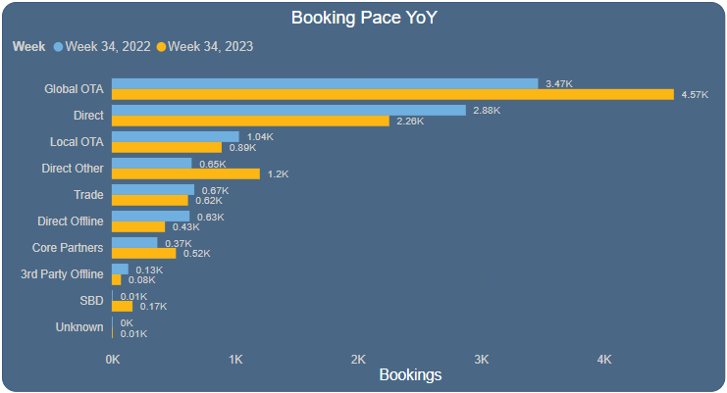
 | Channels | 2022 Week 34 | 2023 Week 34 | Change %
 | 3rd Party Offline | 134 | 75 | -44.03%
 | Core Partners | 371 | 522 | 40.70%
 | Direct | 2880 | 2257 | -21.63%
 | Direct Offline | 633 | 433 | -31.60%
 | Direct Other | 650 | 1204 | 85.23%
 | Global OTA | 3468 | 4572 | 31.83%
 | Local OTA | 1035 | 894 | -13.62%
 | SBD | 7 | 169 | 2314.29%
 | Trade | 671 | 620 | -7.60%
 | Unknown | 4 | 5 | 25.00%
 | Total | 9853 | 10751 | 9.11%

Traffic Pace (YoY)

 | All Countries
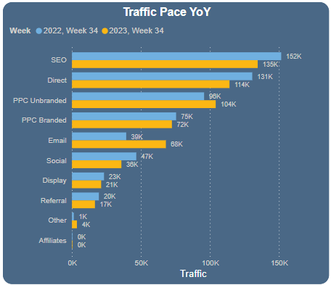
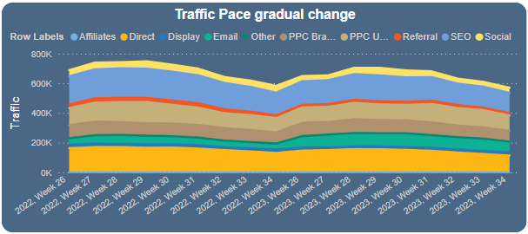
 | Channels | 2022 Week 34 | 2023 Week 34 | Change %
 | Affiliates | 10 | 3 | -70.00%
 | Direct | 130667 | 114170 | -12.63%
 | Display | 23227 | 21152 | -8.93%
 | Email | 39315 | 68059 | 73.11%
 | Other | 1320 | 3593 | 172.20%
 | PPC Branded | 75473 | 72437 | -4.02%
 | PPC Unbranded | 95769 | 104182 | 8.78%
 | Referral | 19504 | 16653 | -14.62%
 | SEO | 151647 | 134616 | -11.23%
 | Social | 46605 | 35818 | -23.15%
 | Total | 583537 | 570683 | -2.20%

 | Germany
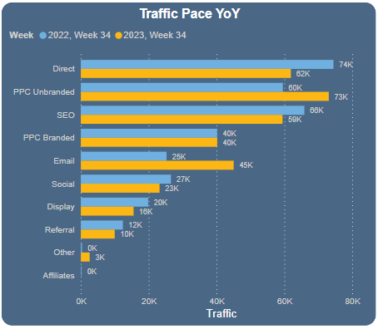
 | Channels | 2022 Week 34 | 2023 Week 34 | Change %
 | Affiliates | 2 |  | -100.00%
 | Direct | 74460 | 61910 | -16.85%
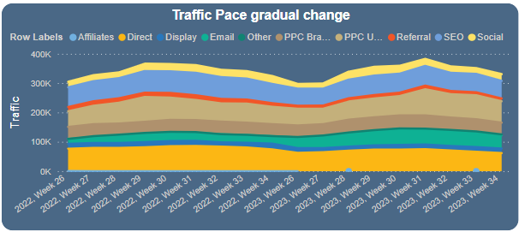
 | Display | 19828 | 15525 | -21.70%
 | Email | 25247 | 45044 | 78.41%
 | Other | 320 | 2588 | 708.75%
 | PPC Branded | 40148 | 40183 | 0.09%
 | PPC Unbranded | 59532 | 73082 | 22.76%
 | Referral | 12366 | 9970 | -19.38%
 | SEO | 65887 | 59443 | -9.78%
 | Social | 26549 | 23187 | -12.66%
 | Total | 324339 | 330932 | 2.03%

 | Denmark
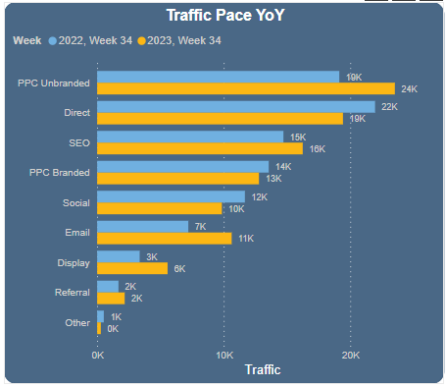
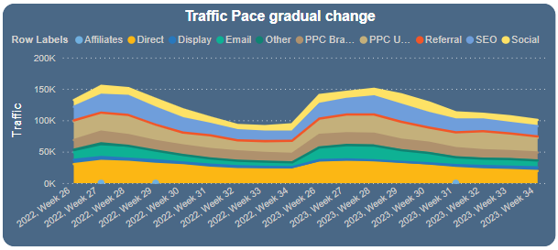
 | Channels | 2022 Week 34 | 2023 Week 34 | Change %
 | Affiliates |  |  | #DIV/0!
 | Direct | 21955 | 19420 | -11.55%
 | Display | 3356 | 5563 | 65.76%
 | Email | 7201 | 10626 | 47.56%
 | Other | 523 | 287 | -45.12%
 | PPC Branded | 13553 | 12782 | -5.69%
 | PPC Unbranded | 19129 | 23520 | 22.95%
 | Referral | 1681 | 2174 | 29.33%
 | SEO | 14716 | 16241 | 10.36%
 | Social | 11670 | 9853 | -15.57%
 | Total | 93784 | 100466 | 7.12%

 | Tier 2/3 Countries
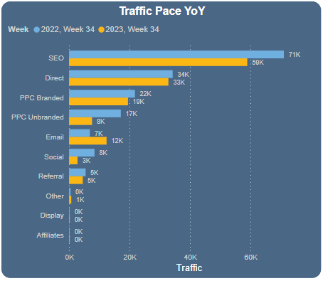
 | Channels | 2022 Week 34 | Összeg / Week 34, 2023 | Change %
 | Affiliates | 8 | 3 | -62.50%
 | Direct | 34252 | 32840 | -4.12%
 | Display | 43 | 64 | 48.84%
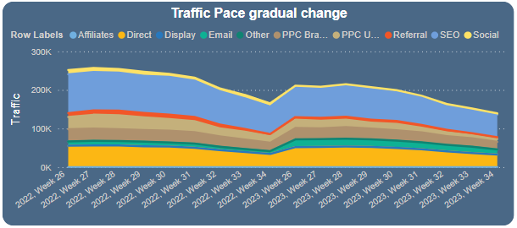
 | Email | 6867 | 12389 | 80.41%
 | Other | 477 | 718 | 50.52%
 | PPC Branded | 21772 | 19472 | -10.56%
 | PPC Unbranded | 17108 | 7580 | -55.69%
 | Referral | 5457 | 4509 | -17.37%
 | SEO | 71044 | 58932 | -17.05%
 | Social | 8386 | 2778 | -66.87%
 | Total | 165414 | 139285 | -15.80%

CVR

 | CVR ALL
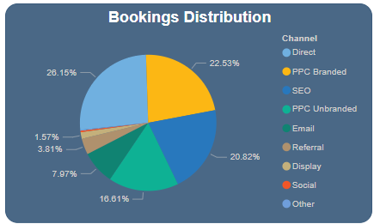
 | Channels | 2022 Week 34 | 2023 Week 34 | Change %
 | Affiliates | 0.00% | 0.00% | #DIV/0!
 | Direct | 0.84% | 0.51% | -39.29%
 | Display | 0.19% | 0.17% | -10.62%
 | Email | 0.35% | 0.26% | -24.95%
 | Other | 0.23% | 0.11% | -51.02%
 | PPC Branded | 0.75% | 0.69% | -7.89%
 | PPC Unbranded | 0.38% | 0.36% | -6.31%
 | Referral | 0.39% | 0.51% | 29.29%
 | SEO | 0.35% | 0.35% | -1.90%
 | Social | 0.06% | 0.02% | -64.11%
 | Total | 0.49% | 0.39% | -20.08%

 | Germany |  |  |  |  | Denmark |  |  |  |  | Tier 2/3

 | Channels | 2022 Week 34 | 2023 Week 34 | Change% |  | Channels | 2022 Week 34 | 2023 Week 34 | Change % |  | Channels | 2022 Week 34 | 2023 Week 34 | Összeg / Change %
 | Affiliates | 0.00% |  | #DIV/0! |  | Affiliates |  |  | #DIV/0! |  | Affiliates | 0.00% | 0.00% | #DIV/0!
 | Direct | 1.01% | 0.63% | -37.78% |  | Direct | 1.01% | 0.57% | -43.47% |  | Direct | 0.37% | 0.26% | -29.64%
 | Display | 0.20% | 0.16% | -20.18% |  | Display | 0.09% | 0.18% | 101.09% |  | Display | 0.00% | 0.00% | #DIV/0!
 | Email | 0.37% | 0.29% | -23.08% |  | Email | 0.39% | 0.29% | -24.97% |  | Email | 0.22% | 0.15% | -33.49%
 | Other | 0.31% | 0.12% | -62.91% |  | Other | 0.38% | 0.35% | -8.89% |  | Other | 0.00% | 0.00% | #DIV/0!
 | PPC Branded | 0.94% | 0.85% | -9.84% |  | PPC Branded | 0.68% | 0.63% | -7.80% |  | PPC Branded | 0.45% | 0.42% | -7.58%
 | PPC Unbranded | 0.41% | 0.37% | -8.44% |  | PPC Unbranded | 0.55% | 0.31% | -42.68% |  | PPC Unbranded | 0.10% | 0.33% | 231.91%
 | Referral | 0.54% | 0.62% | 14.78% |  | Referral | 0.24% | 0.28% | 15.98% |  | Referral | 0.11% | 0.38% | 242.90%
 | SEO | 0.53% | 0.54% | 1.02% |  | SEO | 0.50% | 0.39% | -21.80% |  | SEO | 0.16% | 0.14% | -9.86%
 | Social | 0.03% | 0.02% | -18.21% |  | Social | 0.11% | 0.03% | -72.67% |  | Social | 0.11% | 0.00% | -100.00%
 | Total | 0.60% | 0.47% | -21.54% |  | Total | 0.58% | 0.38% | -34.72% |  | Total | 0.23% | 0.22% | -3.94%

Arrival months

